Matplotlib Method-1(Func Meth)
MATPLOTLIB 'S BASIC HYPER PARAMETER (1st METHOD (FUNCTIONAL METHOD)) | REFERENCE

⇰REFERENCE (Website) --> Google Colab Matplotlib Basics Regarding All Matplotlib Basics

⇰REFERENCE (Website) --> Matplotlib Regarding All Matplotlib Basics Parameter & Knowledge

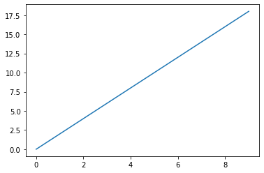 ⇰plot(x,y) -→To plot x versus y, we can write plt. plot(x,y). The show() function is used to display the figure created using the plot() function.pyplot is mainly intended for interactive plots and simple cases of programmatic plot generation: | ⇰REFERENCE (Website)-->Geeks for Geeks Regarding Tools (plt.plot(x,y)) in Matplotlib

 | ⇰REFERENCE (Website)-->Google Colab (Matplotlib Basics) Regarding plt.plot(x,y)

 | ⇰REFERENCE(Website)-->Matplotlib Regarding plot(x,y)

 | ⇰REFERENCE (Website)-->w3schools Regarding Tools (plt.plot(x,y)points) in Matplotlib

→fontdict--> | ⇰REFERENCE (Website)-->Educative Regarding How to set font properties for title and labels in Matplotlib

 | ⇰REFERENCE (Website)-->Stackoverflow Regarding How to increase plt.title font size?

 | ⇰REFERENCE (Website)-->W3School Regarding How to increase plt.title font size?

⇰plt.xlabel (xlabel, fontdict=None, labelpad=None, loc=None,) →xlabel-->The xlabel() function in pyplot module of matplotlib library is used to set or name the label for the x-axis.This parameter is the label text. And contains the string value. →fontdict-->Adds the font styles to the label →labelpad-->This helps us to set the spacing between label and the axis. | ⇰REFERENCE (Website)-->Geeks for Geeks Regarding Tools (plt.xlabel(x,y)) in Matplotlib

 | ⇰REFERENCE (Website)-->Matplotlib Regarding Tools (plt.xlabel(x,y)) in Matplotlib

⇰plt.ylabel (ylabel, fontdict=None, labelpad=None, loc=None) →ylabel-->Set the label for the y-axis or The Name of Label on y axis →fontdict-->Adds the font styles to the label →labelpad-->This helps us to set the spacing between label and the axis. | ⇰REFERENCE (Website)-->Geeks for Geeks Regarding Tools (plt.ylabel(x,y)) in Matplotlib

 | ⇰REFERENCE (Website)-->Matplotlib Regarding Tools (plt.ylabel(x,y)) in Matplotlib

⇰plt.title (label, fontdict=None, loc='center', pad=None) →label-->With Pyplot, you can use the title() function to set a title for the plot.The title() method in matplotlib module is used to specify title of the visualization depicted and displays the title using various attributes. The title() method in matplotlib module is used to specify title of the visualization depicted and displays the title using various attributes. →fontdict-->Adds the font styles to the label →labelpad-->This helps us to set the spacing between label and the axis. | ⇰REFERENCE (Website)-->W3School Regarding How to increase plt.title font size?

 | ⇰REFERENCE (Website)-->Geeks for Geeks Regarding How to increase plt.title font size?

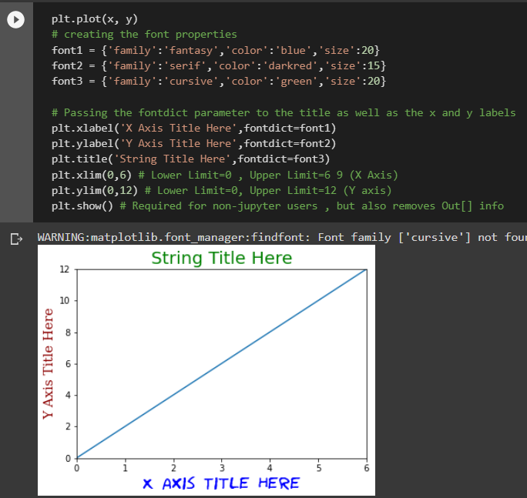 ⇰plt.xlim →Get or set the x limits of the current axes. The xlim() function in pyplot module of matplotlib library is used to get or set the x-limits of the current axes. →The xlim() function in pyplot module of matplotlib library is used to get or set the x-limits of the current axes. | ⇰REFERENCE (Website)-->Geeks for Geeks Regarding xlim (Upper limit & Lower Limit) (Setting Limits on X axis)

 | ⇰REFERENCE (Website)-->Matplotlib Regarding xlim (Matplotlib) (Setting Limits on X axis)

⇰plt.ylim →Get or set the y-limits of the current axes. Basically in Pther word The ylim() function in pyplot module of matplotlib library is used to get or set the y-limits of the current axes. | ⇰REFERENCE (Website)-->Geeks for Geeks Regarding ylim (Upper Limit & Lower Limit) on y axis.

 | ⇰REFERENCE (Website)--> Matplotlib Regarding Setting ylim on y axis (Lower axis & Upper axis

⇰plt.show or ; | ⇰REFERENCE (Website)-->Udemy (Matplotlib Basics) Regarding usage & Benefit of plt.show() or Semicolon(;)

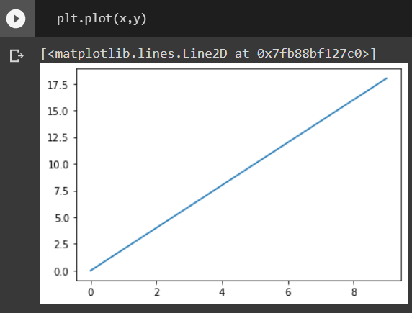 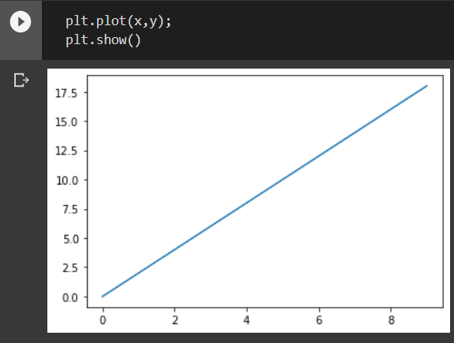

 | ⇰REFERENCE (Website)-->Stackoverflow Regarding Usage & Benefit of plt.show() or Semicolon (;)

→While Paying Attention we can see that while removing plt.show() we get this output matplotlib.lines.Line2D at 0*7fb88bf127c0>1 However plt.show() added I will get only Plotting Visualization .So really common question is what's actually going on here?

❶ Well it is actually doing two things First one is If we don't press plt.show() commands It's returning this array of matplotlib align to the object at this location and memory and it's rendering a visualization. Basically in Simpler Word the way it works internally is it shows you both the actual object that's being returned at what location in your computer's memory and the rendering of the visualization itself.So in order to only see the rendering of the visualization, you can either add plt to show or for notebook users that can add a semicolon (;) which basically says, just show me the visualization itself.It's kind of up to you whether or not you mind seeing this output of the object.It's just reporting the object type.In this case, it's quite clearly a 2D line object matplotlib.lines.Line2D And then it's this at 0*7fb88bf127c0>1 location in your computer's memory.

Matplotlib Method-2(OOB)
MATPLOTLIB BASIC HYPER PARAMETER (2nd METHOD (OOP) OBJECT ORIENTED PROGRAMMING)

⇰plt.figure() →The moment you call figure you're going to get a blank canvas created here, we're displaying this blank canvas as just this gray box with a empty white space.But keep in mind, like I mentioned, this is technically just completely white.You wouldn't actually be able to see anything.And so upon calling that figure, you create this figure object and the default size is 432 pixels by 288 pixels.And then it'll also mention that it has zero sets of axes.So right now you just have this blank canvas.And the reason for creating this figure object in general is now you can edit very high level attributes and properties that would affect your entire figure.

⇰axes.fig_add_axes([0 , 0 , 1, 1 ])

→The next step is to add a set of axes to actually plot on, to actually make this happen. What we have to do is say some variable call like fig is equal to the figure object. And then we're going to take that figure object and call the add axes method on it. And keep in mind, you can add as many axes as you want to a figure here, we're just showing adding one set of axes.And so once you add that set of axes, you'll notice you suddenly get this axes showing up on top of your figure.

→([0.5 ,0.5,1,1 ])

As we can see This are the Four Key Parameters in while adding axes ❶ ([0,0])-->Here Basically means X & Y bottom left hand Corner in Regards to Figure Canvas. So, for example, if you wanted for some reason your axes to start kind of right in the middle of the figure, you could say 0.5 by 0.5 as your X, Y. ❷([1,1])-->And then the second ones here shown one one are the width and height of the overall set of axes.second set of parameters, which is the width and height of the axes.So in this case, I'm saying that my bottom left corner should be at (0.5 ,0.5), and then my width and my height will be one one (1,1), which means take up 100% of both the width and height of the figure.

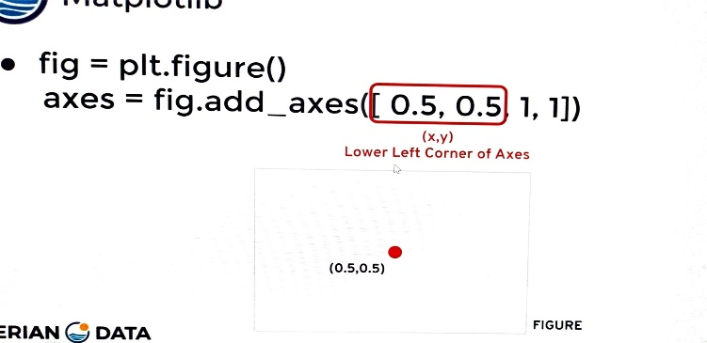 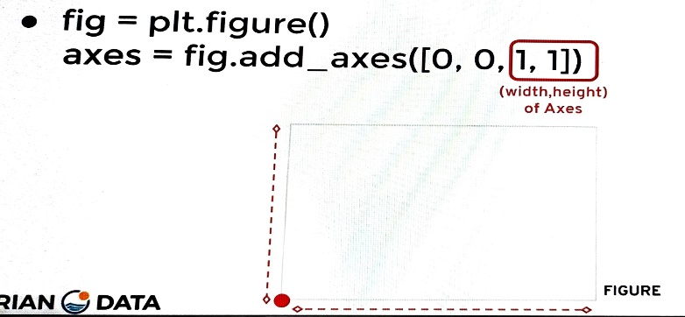

⇰axes.plot(X,Y) →Plot y versus x as lines and/or markers. | ⇰REFERENCE(Website)--> Matplotlib Regarding axes.plot(X,y)

